Sheet1
Function | Input | Output | Comment |  | Feedback from mssevov
WstringToEmail | aaa@hg.hg | aaa hg.hg | ok |  | good job
WstringToEmail | 123@h.hg | 123 h.hg | ok
WstringToEmail |  | @badinput.io | ok |  | There shouldn’t be a '@' symbol. It should be fixed now.
WstringToEmail | @ | @badinput.io | ok

EmailToWstring | aaa, s.s | aaa@s.s | ok |  | good job
EmailToWstring | 123, 2.2 | 123@2.2 | ok
EmailToWstring | lol, y.p | lol@y.p | ok

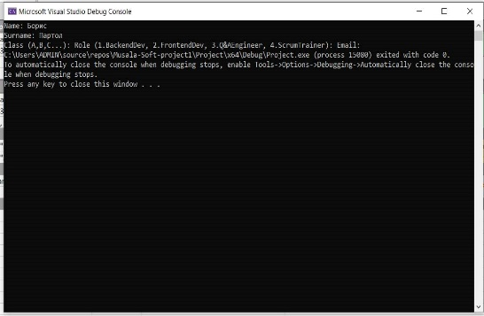
CreateSampleStudent | { L"Ivan",L"Васил" } |  | Изведено с PrintStudent(s, hConsole, 0); |  | CreateSampleStudents only creates the student! Use PrintStudent to display. The input should be two vectors with names that are automatically generated.
 | { L"Желязков",L"Петков" } |  | Не извежда нищо

EnterStudent | Ivan Petkov, V, 1, Ivan@abv.bg |  | Изведено с PrintStudent(s, hConsole, 0); |  | I had to make a major overhaul on inputs and outputs, most function calls got changed in the proccess
EnterStudent | hhhh, nn, B, 3, hh@n |  | Не извежда нищо | STUDENT s = EnterStudent(); AddStudentToVector(svec, s); //adding to vector, since there's no PrintStudent anymore PrintStudentVector(svec, hConsole);
EnterStudent | "Борис", "Партол" |  | Въвежда само име и фамилия, но не и другите данни и не стига до принтиране. | STUDENT s = EnterStudent(); AddStudentToVector(svec, s); //adding to vector, since there's no PrintStudent anymore PrintStudentVector(svec, hConsole);

AddStudentToVector | {L"Ivan", L"Petkov",{ L"Ivan",L"abv.bg"} }, 'V', ROLE::QAEngineer |  | PrintStudentVector не извежда нищо. | Ето кода: std::vector<STUDENT> svec; STUDENT s = { {L"Ivan", L"Petkov",{ L"Ivan",L"abv.bg"} }, 'V', ROLE::QAEngineer }; AddStudentToVector(svec, s); PrintStudentVector(svec, hConsole);
AddStudentToVector | {L"Ivan", L"Petkov",{ L"Ivan",L"abv.bg"} }, 'V', ROLE::QAEngineer |  | ok | Ето кода: std::vector<STUDENT> svec; STUDENT s = { {L"Ivan", L"Petkov",{ L"Ivan",L"abv.bg"} }, 'V', ROLE::QAEngineer }; AddStudentToVector(svec, s); PrintStudentVector(svec, hConsole, true);
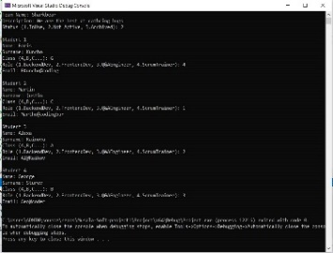
EnterTeam |  |  | BoxPrintTeam не извежда нищо | TEAM team = EnterTeam(); BoxPrintTeam(team, hConsole); | I had to make a major overhaul on inputs and outputs, most function calls got changed in the proccess

EnterTeam | 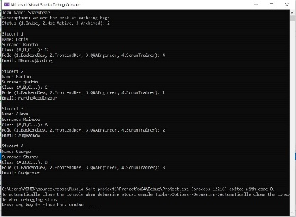 |  | BoxPrintTeam не извежда нищо Позволяване дублиране на ролите Позволява невалидни имеили и имена с малка буква. | TEAM team = EnterTeam(); BoxPrintTeam(team, hConsole); | I had to make a major overhaul on inputs and outputs, most function calls got changed in the proccess

